AB Resource Revenue since 1970
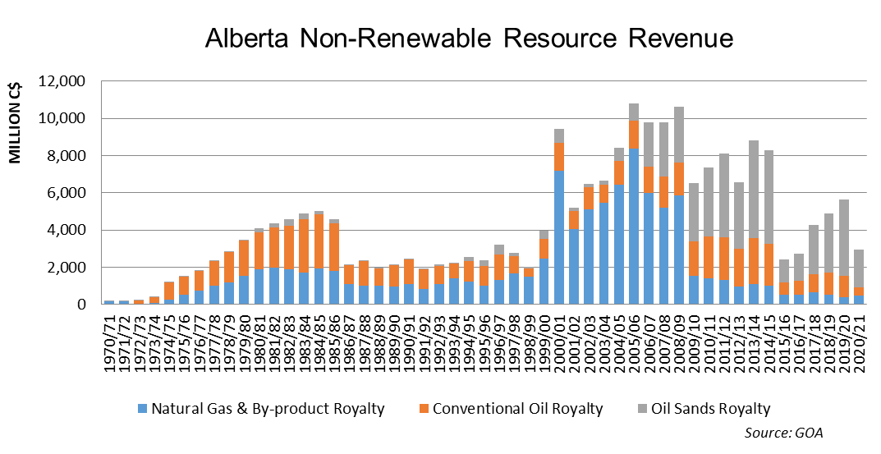
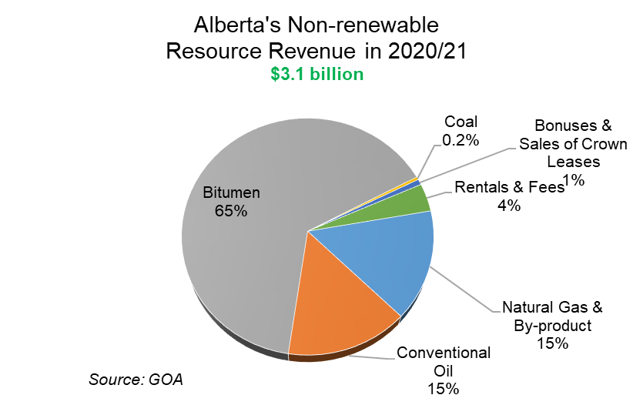
Alberta Resource Revenue from 1970/71 to 2020/21 |  |  |  |  |  |  |  |  |  |  |  |  |  |  | Last Update: | 2022-02-11 08:54:13
Source: GOA - www.alberta.ca/government-and-ministry-annual-reports.aspx

FOR MORE INFORMATION PLEASE CONTACT:
ALEXEI JERNOV, STATISTICS AND ROYALTY ANALYTICS MANAGER (780) 644 - 1278

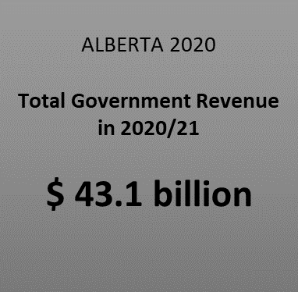
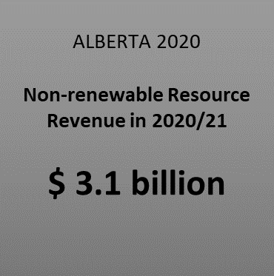

RESOURCE REVENUE ($ Millions)

 | 1970/71 | 1971/72 | 1972/73 | 1973/74 | 1974/75 | 1975/76 | 1976/77 | 1977/78 | 1978/79 | 1979/80 | 1980/81 | 1981/82 | 1982/83 | 1983/84 | 1984/85 | 1985/86 | 1986/87 | 1987/88 | 1988/89 | 1989/90 | 1990/91 | 1991/92 | 1992/93 | 1993/94 | 1994/95 | 1995/96 | 1996/97 | 1997/98 | 1998/99 | 1999/00 | 2000/01 | 2001/02 | 2002/03 | 2003/04 | 2004/05 | 2005/06 | 2006/07 | 2007/08 | 2008/09 | 2009/10 | 2010/11 | 2011/12 | 2012/13 | 2013/14 | 2014/15 | 2015/16 | 2016/17 | 2017/18 | 2018/19 | 2019/20 | 2020/21

Natural Gas & By-product Royalty | $144 | $175 | $42 | $70 | $231 | $519 | $722 | $981 | $1,196 | $1,510 | $1,903 | $1,956 | $1,876 | $1,694 | $1,942 | $1,806 | $1,097 | $1,011 | $989 | $961 | $1,080 | $839 | $1,069 | $1,410 | $1,242 | $1,004 | $1,299 | $1,660 | $1,467 | $2,441 | $7,200 | $4,030 | $5,125 | $5,450 | $6,439 | $8,388 | $5,988 | $5,199 | $5,834 | $1,525 | $1,416 | $1,304 | $954 | $1,103 | $989 | $493 | $520 | $645 | $536 | $372 | $465
Conventional Oil Royalty |  |  | $172 | $302 | $956 | $975 | $1,094 | $1,323 | $1,618 | $1,900 | $1,969 | $2,178 | $2,338 | $2,873 | $2,916 | $2,534 | $997 | $1,330 | $933 | $1,126 | $1,325 | $1,038 | $1,009 | $767 | $1,097 | $1,047 | $1,386 | $914 | $470 | $1,072 | $1,500 | $987 | $1,177 | $981 | $1,273 | $1,463 | $1,400 | $1,655 | $1,800 | $1,848 | $2,236 | $2,284 | $2,038 | $2,476 | $2,245 | $689 | $724 | $965 | $1,149 | $1,175 | $466
Oil Sands Royalty | $2 | $3 | $4 | $8 | $14 | $15 | $19 | $24 | $28 | $46 | $225 | $230 | $362 | $304 | $135 | $221 | $12 | $23 | $19 | $28 | $39 | $31 | $65 | $66 | $223 | $312 | $512 | $192 | $59 | $426 | $712 | $185 | $183 | $197 | $718 | $950 | $2,411 | $2,913 | $2,973 | $3,160 | $3,723 | $4,513 | $3,560 | $5,222 | $5,049 | $1,223 | $1,483 | $2,643 | $3,214 | $4,089 | $2,006
Coal Royalty | $0 | $1 | $1 | $1 | $1 | $1 | $7 | $16 | $19 | $8 | $8 | $11 | $14 | $11 | $9 | $11 | $7 | $8 | $15 | $17 | $15 | $26 | $16 | $14 | $14 | $22 | $18 | $18 | $17 | $15 | $12 | $17 | $10 | $9 | $11 | $11 | $13 | $14 | $36 | $31 | $31 | $29 | -$3 | $16 | $16 | $14 | $26 | $12 | $10 | $13 | $12
Bonuses & Sales of Crown Leases | $85 | $92 | $61 | $82 | $81 | $141 | $208 | $736 | $678 | $1,058 | $759 | $557 | $337 | $487 | $662 | $724 | $292 | $761 | $450 | $389 | $416 | $262 | $167 | $717 | $978 | $576 | $927 | $1,071 | $463 | $743 | $1,159 | $969 | $565 | $967 | $1,252 | $3,490 | $2,463 | $1,128 | $1,112 | $1,165 | $2,635 | $3,312 | $1,053 | $588 | $476 | $203 | $203 | $564 | $360 | $120 | $24
Rentals & Fees | $1 | $2 | $51 | $57 | $58 | $61 | $66 | $74 | $78 | $71 | $93 | $103 | $102 | $92 | $88 | $91 | $81 | $77 | $77 | $76 | $98 | $105 | $103 | $105 | $115 | $116 | $132 | $148 | $142 | $141 | $147 | $148 | $153 | $154 | $153 | $156 | $159 | $159 | $160 | $158 | $161 | $169 | $176 | $173 | $173 | $167 | $148 | $153 | $160 | $169 | $118
Special Royalty Features (for 2009/10 and 2010/11 is the Energy Industry Drilling Stimulus program |  |  |  | -$10 | -$15 | -$33 | -$49 | -$75 | -$81 | -$99 | -$148 | -$156 | -$863 | -$444 | -$565 | -$535 | -$400 | -$273 | $3 | $0 | $0 | $0 | $0 | $0 | $0 | $0 | $0 | $0 | $0 | $0 | $0 | $0 | $0 | $0 | $0 | $0 | $0 | $0 | $0 | -$1,119 | -$1,774 | $25 | $0 | $0 | $0 | $0 | $0 | $0 | $0 | $0 | $0
ARTC |  |  |  |  |  | -$8 | -$76 | -$53 | -$113 | -$108 | -$115 | -$132 | -$728 | -$607 | -$396 | -$411 | -$425 | -$383 | -$344 | -$355 | -$286 | -$278 | -$246 | -$262 | -$291 | -$292 | -$240 | -$225 | -$250 | -$188 | -$144 | -$109 | -$83 | -$82 | -$102 | -$111 | -$174 | -$44 | $0 | $0 | $0 | $0 | $0 | $0 | $0 | $0 | $0 | $0 | $0 | $0 | $0

Non Renewable Resource Revenue | $233 | $273 | $332 | $509 | $1,327 | $1,672 | $1,991 | $3,025 | $3,422 | $4,386 | $4,693 | $4,747 | $3,438 | $4,410 | $4,792 | $4,441 | $1,660 | $2,554 | $2,142 | $2,240 | $2,687 | $2,023 | $2,183 | $2,817 | $3,378 | $2,785 | $4,034 | $3,778 | $2,368 | $4,650 | $10,586 | $6,227 | $7,130 | $7,676 | $9,744 | $14,347 | $12,260 | $11,024 | $11,915 | $6,768 | $8,428 | $11,636 | $7,779 | $9,578 | $8,948 | $2,789 | $3,105 | $4,980 | $5,429 | $5,937 | $3,091

Transfer to Heritage Fund |  |  |  |  |  |  |  |  |  |  | -$1,443 | -$1,464 | -$1,249 | -$757 | -$719 | -$666 | -$218 | $0 | $0 | $0 | $0 | $0 | $0 | $0 | $0 | $0 | $0 | $0 | $0 | $0 | $0 | $0 | $0 | $0 | $0 | $0 | $0 | $0 | $0 | $0 | $0 | $0 | $0 | $0 | $0 | $0 | $0 | $0 | $0 | $0 | $0
Gas Rebates |  |  |  |  |  |  |  |  |  |  | $0 | -$86 | -$101 | -$107 | -$130 | -$131 | -$56 | -$4 | -$12 | -$2 | -$2 | $0 | $0 | $0 | $0 | $0 | $0 | $0 | $0 | $0 | $0 | $0 | $0 | $0 | $0 | $0 | $0 | $0 | $0 | $0 | $0 | $0 | $0 | $0 | $0 | $0 | $0 | $0 | $0 | $0 | $0

Net Non Renewable Resource Revenue | $233 | $273 | $332 | $509 | $1,327 | $1,672 | $1,991 | $3,025 | $3,422 | $4,386 | $3,250 | $3,197 | $2,088 | $3,546 | $3,943 | $3,644 | $1,386 | $2,550 | $2,130 | $2,238 | $2,685 | $2,023 | $2,183 | $2,817 | $3,378 | $2,785 | $4,034 | $3,778 | $2,368 | $4,650 | $10,586 | $6,227 | $7,130 | $7,676 | $9,744 | $14,347 | $12,260 | $11,024 | $11,915 | $6,768 | $8,428 | $11,636 | $7,779 | $9,578 | $8,948 | $2,789 | $3,105 | $4,980 | $5,429 | $5,937 | $3,091

Freehold Mineral Tax | $3 | $3 | $3 | $69 | $45 | $54 | $76 | $76 | $96 | $100 | $146 | $135 | $156 | $160 | $186 | $189 | $96 | $92 | $71 | $69 | $76 | $75 | $73 | $84 | $102 | $101 | $117 | $131 | $112 | $134 | $256 | $319 | $202 | $288 | $306 | $334 | $317 | $247 | $241 | $124 | $127 | $129 | $119 | $146 | $172 | $79 | $57 | $67 | $67 | $75 | $60

Departmental Revenue | $235 | $276 | $335 | $578 | $1,372 | $1,726 | $2,067 | $3,102 | $3,518 | $4,486 | $3,396 | $3,332 | $2,244 | $3,706 | $4,129 | $3,833 | $1,482 | $2,642 | $2,201 | $2,307 | $2,761 | $2,098 | $2,256 | $2,901 | $3,480 | $2,886 | $4,151 | $3,909 | $2,480 | $4,784 | $10,842 | $6,546 | $7,332 | $7,964 | $10,050 | $14,681 | $12,577 | $11,271 | $12,156 | $6,892 | $8,555 | $11,765 | $7,898 | $9,724 | $9,120 | $2,868 | $3,162 | $5,047 | $5,496 | $6,012 | $3,151

Total Government Revenue | $958 | $1,069 | $1,236 | $1,724 | $2,915 | $3,225 | $3,842 | $4,261 | $4,829 | $5,668 | $9,472 | $10,548 | $10,550 | $11,460 | $12,757 | $13,294 | $9,617 | $11,905 | $11,900 | $12,839 | $14,185 | $13,737 | $14,271 | $15,406 | $16,164 | $15,515 | $16,652 | $17,754 | $16,819 | $20,103 | $25,527 | $21,926 | $22,662 | $25,887 | $29,328 | $35,542 | $38,017 | $38,169 | $39,325 | $39,512 | $38,976 | $43,395 | $42,544 | $49,434 | $49,481 | $42,619 | $42,293 | $47,295 | $49,572 | $46,224 | $43,137
Resouce Revenue as % of Total Revenue | 24.3% | 25.5% | 26.8% | 29.6% | 45.5% | 51.8% | 51.8% | 71.0% | 70.9% | 77.4% | 49.5% | 45.0% | 32.6% | 38.5% | 37.6% | 33.4% | 17.3% | 21.5% | 18.0% | 17.4% | 18.9% | 14.7% | 15.3% | 18.3% | 20.9% | 18.0% | 24.2% | 21.3% | 14.1% | 23.1% | 41.5% | 28.4% | 31.5% | 29.7% | 33.2% | 40.4% | 32.2% | 28.9% | 30.3% | 17.1% | 21.6% | 26.8% | 18.3% | 19.4% | 18.1% | 6.5% | 7.3% | 10.5% | 11.0% | 12.8% | 7.2%
Please note that totals may not add up due to rounding.
Source: GOA - www.alberta.ca/government-and-ministry-annual-reports.aspx

